Sheet1
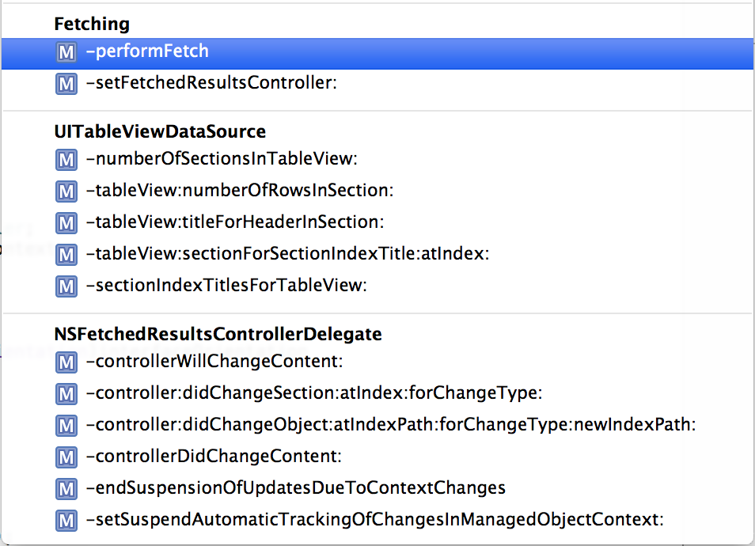
CoreDataTableViewController : UITableViewController |  | FlickrPlacesCDTVC : CoreDataTableViewController |  |  | PlacesListViewController : UITableViewController
 |  | public | managedObjectContext
 |  | private | -setManagedObjectContext | 4
 | 6 | private | -tableView:cellForRowAtIndexPath: | 9x |  | -tableView:cellForRowAtIndexPath:
 | 5 | private | -prepareForSegue:sender:

 |  | SeedFlickrPlacesCDTVC : FlickrPlacesCDTVC
 |  | private | -viewDidLoad | 1 |  | -viewDidLoad
 |  | private | -viewWillAppear: | 2
 |  | private | -establishDatabase | 3
 |  | private | -refresh | 7 |  | -refresh

 |  | Place+Flickr : NSManagedObject
 |  | public | +placeWithFlickrPlace:inManagedObjectContext | 8x

 |  | FlickrPhotosCDTVC : CoreDataTableViewController |  |  | ImageListViewController : UITableViewController
 |  | private | -tableView:cellForRowAtIndexPath: |  | public | place
 |  | private | -prepareForSegue:sender: |  | private | sortedImageList
 |  |  |  |  | private | -viewDidLoad
 |  |  |  |  | private | -refresh
 |  | PlaceFlickrPhotosCDTVC : FlickrPhotosCDTVC |  |  | private | -imageList
 |  | public | place | 1
 |  | private | -viewDidLoad | 2
 |  | private | -viewWillAppear: | 3 | PlaceImageListViewController : ImageListViewController
 |  | private | -refresh | 4 | private | -imageList

 |  |  |  |  | Top20ImageListViewController : ImageListViewController
 |  | Top20FlickrPhotosCDTVC : FlickrPhotosCDTVC |  |  | private | -imageList
 |  | public | managedObjectContext
 |  | private | -viewDidLoad
 |  | private | -viewWillAppear
 |  | private | -establishDatabase
 |  | private | -setManagedObjectContext
 |  | private | -refresh

 |  | Photo+Flickr : NSManagedObject
 |  | public | +photoWithFlickrInfo:inManagedObjectContext

